Questions
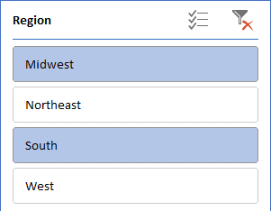
 | Create different types of Pivot Tables

Database 1 Sheet
1. Create a pivot table in Table 1 sheet as below format. Also insert a slicer on Qtr and show all the data of Q1 and Q3. Style should be Light Blue, Pivot Style Medium 23.
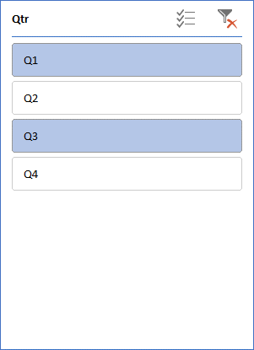

2. Create a pivot table in Table 2 sheet as below format. Date range should be 90 days. Style should be Light Blue, Pivot Style Medium 2.

3. Create a pivot table in Table 3 sheet as below format. Also insert a slicer on Region and show all the data of Midwest and South. With Average Total Price. Style should be Dark Gray, Pivot Style Dark 9.

